Notes
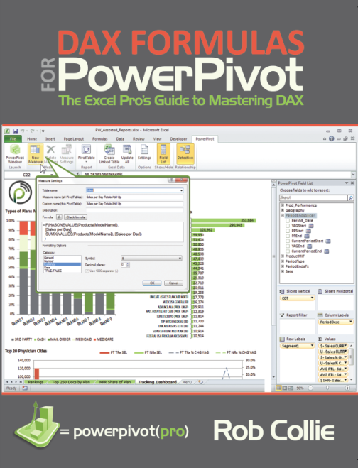
Supporting file from the book:
DAX Formulas for PowerPivot
by Rob Collie
PowerPivotPro.com

Source and example files provided as-is and free of charge. No warranty is offered.
These files may be redistributed freely as long as this attribution worksheet is included.

